Sheet1
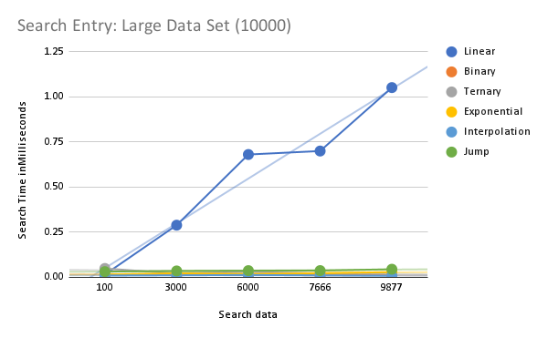
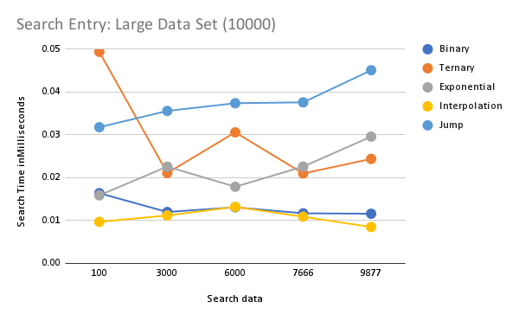
Search data | Linear | Binary | Ternary | Exponential | Interpolation | Jump
100 | 0.015700003132 | 0.016400008462 | 0.049399997806 | 0.015900004655 | 0.0096999865491 | 0.03180000931
3000 | 0.28929999098 | 0.012000004062 | 0.021099986043 | 0.022599997465 | 0.011199997971 | 0.035600009141
6000 | 0.68100000499 | 0.013099983335 | 0.030600000173 | 0.01789999078 | 0.0132000132 | 0.037399993744
7666 | 0.70030000643 | 0.011700001778 | 0.021000014385 | 0.022599997465 | 0.010899995686 | 0.037599995267
9877 | 1.0519000061 | 0.011599971913 | 0.024399982067 | 0.029599992558 | 0.0085000065155 | 0.045099994168

